1_INTRO
1 | Energy Mapping Process for ANY SITE
 |  | Reference Info

 |  | Introduction

 |  |  | From ISO 50001: 2018 Annex A, section A.6, Planning
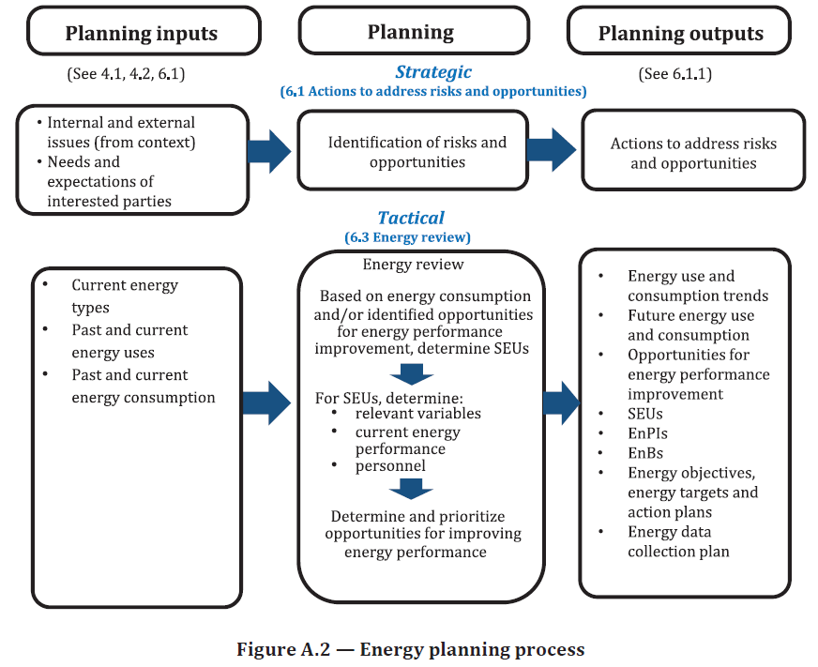
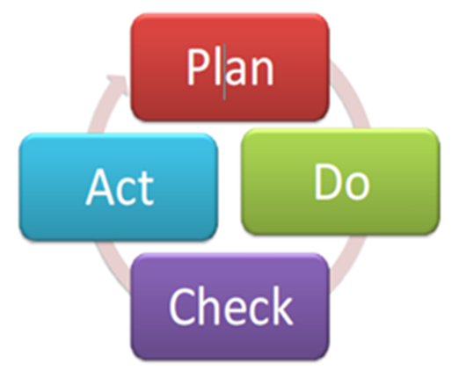

3A_Energy CONSUMED
3A |  |  | Energy Mapping Process for ANY SITE
 |  |  |  |  |  | Reference Info

 |  |  |  |  | Energy CONSUMED within the Site Boundaries
 |  |  |  |  |  |  |  |  |  |  | Where does all the energy go?

GOAL: Using the input and outputs from Step 1, determine where all the energy goes within the site boundaries

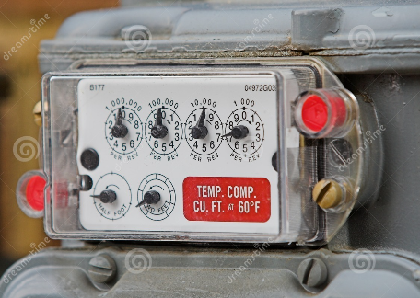
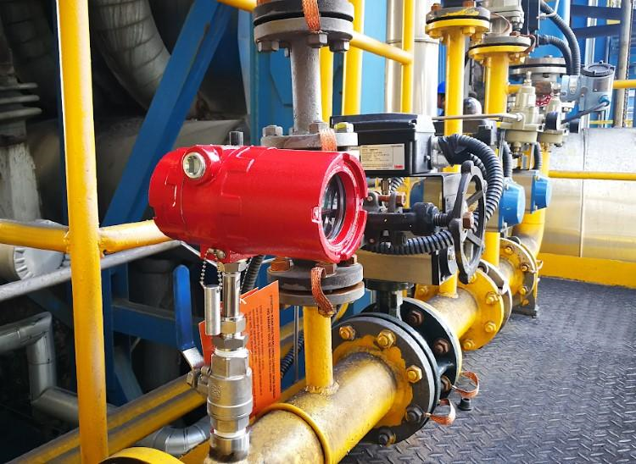
 | METHODS: |  |  |  |  |  |  |  |  |  |  |  |  |  | Main Gas Utility Meter |  |  |  |  |  |  | Gas Meter on a Boiler
 |  | Natural Gas: |  |  |  |  |  | Therms/DekaTherms/MMBTU
 |  |  | Main utility meter |  |  |  |  |  |  | CUFT
 |  |  | Sub-meters on equipment
 |  |  | Typically much lower number of end users
 |  |  | Typically well known primary users:
 |  |  |  | Boilers
 |  |  |  | Hot water
 |  |  |  | Process heating
 |  |  |  | The "H" in HVAC

 |  | Electricity: |  |  |  |  |  | kWh
 |  |  | TOP DOWN:
 |  |  |  | Track the electricity from the utility substation to the end electrical user
 |  |  |  |  | Electrical utility feeders and substations |  |  |  |  |  |  |  |  |  |  |  |  |  |  | One-Line Electrical Drawings |  |  |  |  |  |  | Motors Control Centers (MCCs)
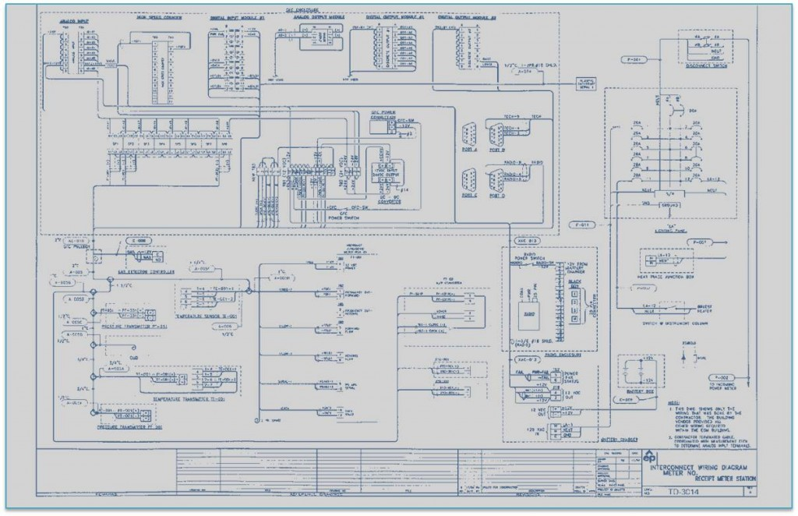
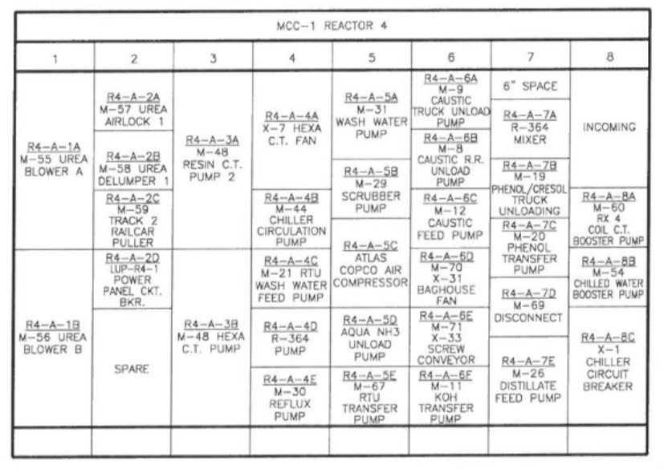
 |  |  |  |  | Main utility meter
 |  |  |  |  |  | Site one-line electrical diagram for distribution
 |  |  |  |  |  | Site substations
 |  |  |  |  |  | Distribution panels |  |  |  |  |  | Arc Flash Studies
 |  |  |  |  |  | Motor control centers
 |  |  |  |  |  | Busess ducts
 |  |  |  |  |  | Breaker Panels
 |  |  |  |  |  | Local Disconnects
 |  |  |  |  |  | Sub-meters on equipment
 |  |  |  |  |  |  | Permanent
 |  |  |  |  |  |  | Temporary

 |  |  |  |  |  | Electrical End Uses: |  |  |  |  | LOTS & LOTS
 |  |  |  |  |  |  | Motors, typically the largest
 |  |  |  |  |  |  | Resistance Heating
 |  |  |  |  |  |  | Lighting
 |  |  |  |  |  |  | Actuators
 |  |  |  |  |  |  | Controls
 |  |  |  |  |  |  | Plug Loads

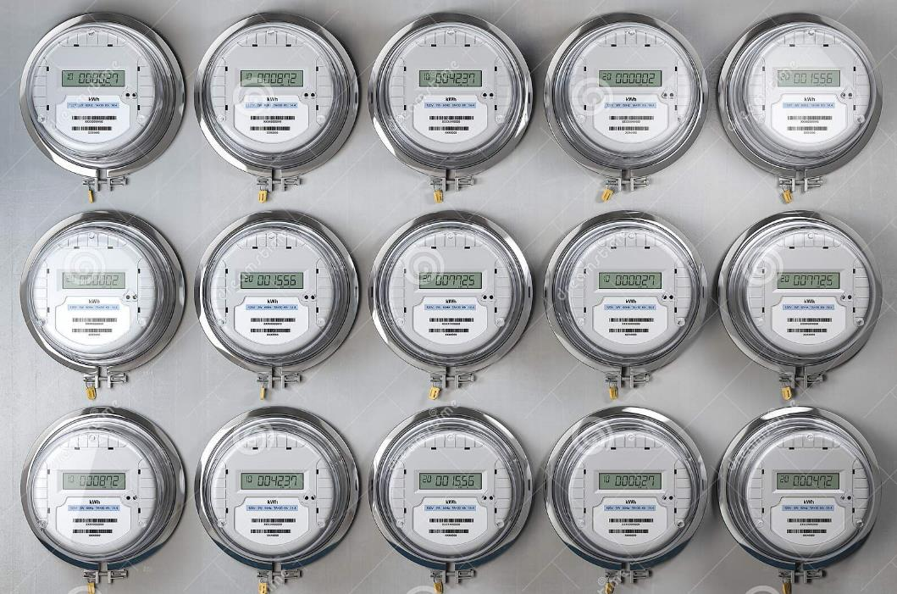
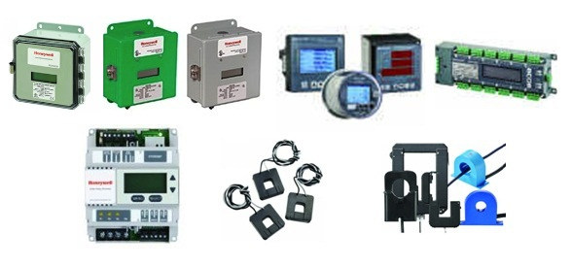
 |  |  |  |  |  | Sub-meters on equipment |  |  |  |  |  |  |  | Permanent Sub-Metering |  |  |  |  |  |  | Temporary Sub-Metering |  |  |  |  |  | Busess Ducts
 |  |  |  |  |  |  | Permanent
 |  |  |  |  |  |  | Temporary
 |  |  |  |  | Single Phase Calculation
 |  |  |  |  | Three Phase Calculation
 |  |  |  | Name plate data
 |  |  | BOTTOM UP:

 |  | Motor Nameplate
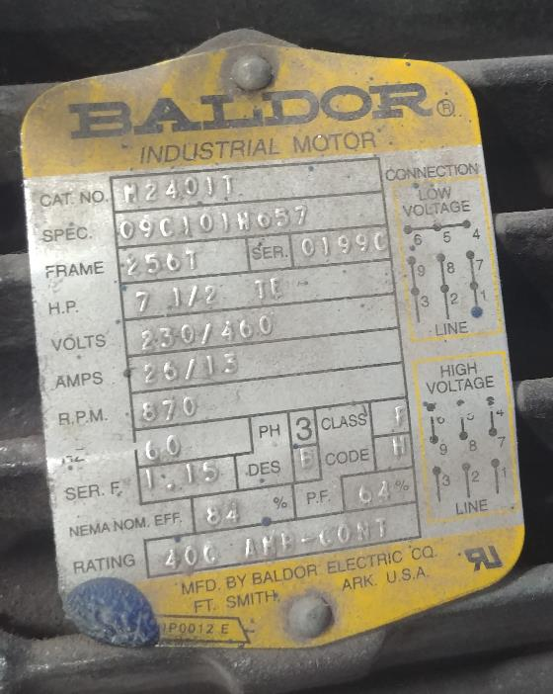
 |  |  |  |  |  |  |  |  |  |  |  |  |  |  |  |  |  | Air Compressor Nameplate
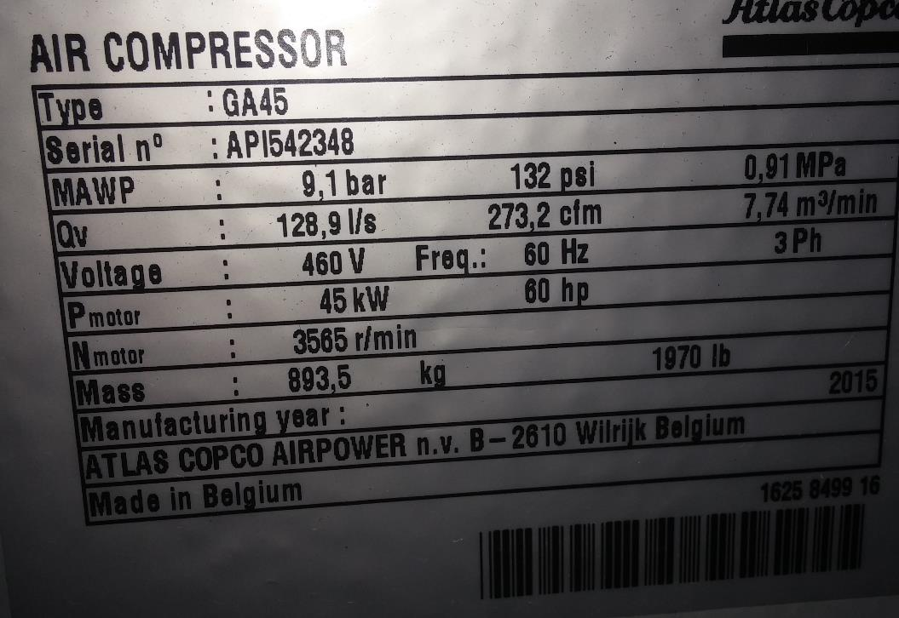

 |  | Chiller Nameplate
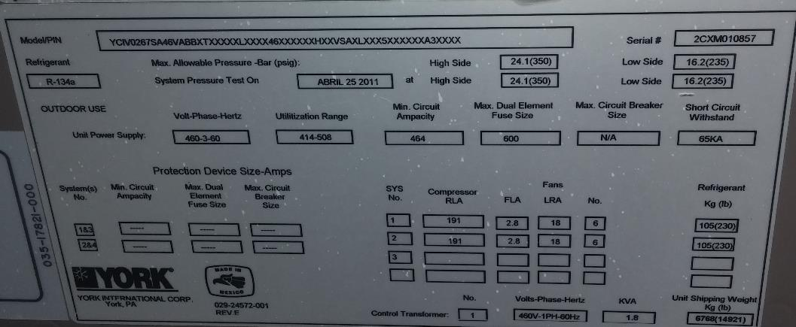

 |  |  |  |  |  | RLA - "Running Load Amps" - current drawn during normal operation of electric motor, typically measured in plant operations
 |  |  |  |  |  | FLA - "Full Load Amps" - amount of current drawn when full-load torque and horsepower is reached for the motor, typically determined in a lab environment
 |  |  |  |  |  |  |  | The difference is in the fact that for FLA, you are looking at the rating of the MOTOR itself.
 |  |  |  |  |  |  |  | For RLA you are looking at how the motor runs relative to a particular load, e.g. a pump, or a fan, etc.
 |  |  |  |  |  | LRA - "Locked Rotor Amps" - current draw when the rotor is locked and not rotating, typically very high and not used for operational calculations

M
M
 |  | Typical EXAMPLE for Electrical
 |  |  |  |  |  |  |  |  |  |  |  |  | Outside |  |  | Inside |  |  | 34% |  | To Motors Control Centers and Busess Ducts
 |  |  |  |  |  |  |  |  |  |  |  |  |  |  |  |  |  |  |  |  |  |  |  |  |  | 3%

M
 |  |  |  |  |  |  |  |  |  |  |  |  |  |  |  |  |  |  |  |  |  |  |  |  | Busess Duct

M
 |  |  |  |  |  |  |  |  |  | 100%

M
 |  |  | Utility Substation Transformers |  |  |  |  |  |  |  |  |  |  |  |  |  |  |  |  | 480 volt Distribution Center |  |  | 5% |  |  |  |  |  | Local Disconnect
 |  |  |  | 100 kV to 12, 470 volts
 |  |  |  |  | Three Phase
 |  |  |  |  | kV = kilovolts |  |  |  |  |  |  |  |  |  |  | In Plant Step-Down Transformer
 |  |  |  |  |  |  |  |  |  |  |  |  |  |  |  |  | 12,470 volts to 480 volts
 |  |  |  |  |  |  |  |  |  |  |  |  |  |  |  |  |  | Three Phase |  |  |  |  |  |  |  | Motor Control Center |  |  | 50 hp Motor
 |  |  |  |  |  |  |  |  |  | 60,000,000 kWh/year |  |  |  |  |  |  |  |  |  |  |  |  |  |  |  | 3,000,000 kWh/year |  |  | Electrical End Use
 |  |  |  |  |  |  |  |  |  | Total Electricity IN |  |  |  |  |  |  |  |  | 20,400,000 kWh/year
 |  |  |  |  |  |  |  |  |  |  |  |  |  |  |  |  |  |  | Distribution Center |  |  |  |  | 1,800,000 kWh/year |  |  |  | 238,085 |  | kWh/year
 |  |  |  |  |  |  |  |  |  |  |  |  |  |  |  |  |  |  |  |  |  |  |  | Busess Duct |  |  |  | 0.40%
 |  | Liquid Propane: |  |  |  |  |  |  | Gallons |  |  |  |  |  |  |  |  |  |  |  |  |  |  |  |  |  |  | Based on:
 |  |  | Delivery Tickets |  |  |  |  |  |  |  |  |  |  |  |  |  |  |  |  |  |  |  |  |  |  |  |  |  | 6,000 hours per year
 |  |  | Monthly Invoices |  |  |  |  |  |  |  |  |  |  |  |  |  |  |  |  |  |  |  |  |  |  |  |  |  | 0.94 motor efficiency
 |  |  | Submeters on processes |  |  |  |  |  |  |  |  |  |  |  |  |  |  |  |  |  |  |  |  |  |  |  |  |  | 1.0 load factor

 |  |  |  | Is some of this pass through?
 |  |  |  |  | i.e. used to fuel trucks or buses

 |  | Diesel Fuel: |  |  |  |  |  |  | Gallons
 |  |  | Delivery Tickets
 |  |  | Monthly Invoices
 |  |  | Submeters on processes

 |  |  |  |  | Is some of this pass through?
 |  |  |  |  |  | i.e. used to fuel trucks or buses

 |  |  | Others
 |  |  |  | How delivered?
 |  |  |  | Units of delivery
 |  |  |  | Monthly invoices

3B_Process Block Diagrams
3B
 |  | SAMPLE ENERGY FLOW BLOCK DIAGRAMS
 |  |  | Reference Info
 | Manufacturing Plant Example: Chiller Production |  |  |  |  |  |  |  |  |  |  | Manufacturing Plant Example: Facility Equipment |  |  |  |  |  |  |  |  |  |  |  |  |  |  |  |  |  |  |  | Manufacturing Plant Example: Facility Equipment
 | Process Block Diagram with Energy |  |  |  |  |  |  |  |  |  |  | Chiller System Details, Block Diagram |  |  |  |  |  |  |  |  |  |  |  |  |  |  |  |  |  |  |  | Boilers and Hot Water System Details, Block Diagram

 |  |  | KEY | IN and OUT | Process Step | Energy Loads |  | Energy Source |  | Waste Stream | Facility System |  |  | KEY | Energy Loads |  |  | Energy Source |  |  | Waste Stream |  |  | Facility System |  | Ambient Air |  |  | Hot Water Supply |  |  | KEY |  | Energy Loads |  | Energy Source |  | Process Step |  | Waste Stream |  | Facility System |  | Hot Water Supply |  | Hot Water Return

 |  |  |  |  | City Water |  | Hot Water-Process |  | Test Water |  |  |  | Chilled Water Supply |  |  |  | Chilled Water Return |  |  | Tower Water SUP |  |  |  | Tower Water RET |  |  | City Water |  |  | Hot Water Return |  |  |  |  | Ambient Air |  | Combustion Air |  | Feed Water |  | Steam |  | Condensate Return |  | City Water

Electricity
Electricity
Make Up Water
Electricity
Exhaust Fans
v
Flue Gas

Plasma Cutters
Tower Fans

Motors
City Water - Makeup
Cooling Towers
Feed Water Pumps
Welder Power Supplies
Combustion Air Supply Fan Motors
BOILERS:
Building Heating
Process Heating
Test Lab Chiller Loading
 |  |  |  |  |  |  |  |  |  |  |  |  |  |  |  |  |  |  | Warm Water to Tower

Raw Materials-Water Cooled:
Steel Plate & Bar, Copper Tubes, Motors, Castings and Various Other Components
Steel Plate
Plasma Cutting

Steel Plate
Roll Forming
Vessel Welding

v

Combustion Burners
Electricity

Feed Water Tank

Compressed Gas & Hydrostatic Pressure Testing
Condensers
Natural Gas
Water Cooled Chillers
 |  |  |  |  |  |  |  |  |  |  |  |  |  |  |  |  |  |  |  |  |  |  |  |  |  |  |  | Cool Water from Tower
Final Vessel Assembly
Condenser Water Pumps
Blow Down
Copper Tubing Insertion
 |  |  |  |  |  |  |  |  |  |  |  |  |  | Hot Liquid
Electricity

Motors
Hydro Pumps
Electricity
Electricity
 |  |  |  |  |  |  |  |  |  |  |  |  |  | Exp Valve

Used Hydro Water
Compressors
Gas Compressors

Electricity
 |  |  |  |  |  |  |  |  |  |  |  |  |  |  |  |  |  |  |  |  |  | Hot Vapor
Deaerating Feed Tank
DFT Pumps
Compressor Component Machining
Chilled Water Loads:
Air Handling Unit Coils
Test Lab Water Control System
 |  |  |  |  |  |  |  |  |  |  |  |  |  |  |  |  |  |  | Warm Vapor

Dirty Paint
Prep Water
v
Compressor Assembly
Marriage Mount
Paint
Preparation
Evaporators
 |  |  |  |  |  |  |  |  |  |  |  |  |  | Cold Liquid |  |  |  |  |  |  | Chilled Water Return
Electricity

v
Electricity

Steam Hot Water Heaters

Paint Booth
(air dried)
Exhaust Fans
Electricity

Hot Water Distribution Pumps
Electricity
Raw Materials-Air Cooled:
Heat Exchangers, Fans, Compressors, Motors, Enclosures and Various Other Components
 |  |  |  |  |  |  |  |  |  |  |  |  |  |  |  |  |  |  |  |  |  |  | Chilled Water Supply
Chilled Water
Pumps
Electricity
Air Cooled Unit Assembly Lines
Chiller Compressor Motors

 |  |  |  |  |  |  |  |  |  |  |  |  |  |  |  |  |  |  |  |  |  |  |  |  |  |  |  |  |  |  |  |  | HW Return

Test Pumps

Water Cooled Chillers/Cooling Towers
Water Cooled Chiller Test Lab

Air Cooled Unit Test Area
Hot Water Loads:
Air Handling Unit Coils
Process Hot Water
Test Lab Water Control System

Compressor and Fan Motors

Test Water to Load Chillers

Used Test Water

 |  |  |  |  |  |  |  |  |  |  |  |  |  |  |  |  |  |  | Hot Water Control Valve |  |  |  |  |  | Chilled Water Control Valve
Electricity
Hot Water Heaters to Load Air Cooled Chillers

Electricity

Boilers and Hot Water
Test Lab Water Control System
Packaging
Return Air Fans

Pre-Filters
Hot Water Heating Coil
Chilled Water Cooling Coil

Natural Gas
 |  |  |  |  |  |  |  |  |  |  |  |  | Return Air

 |  |  |  |  |  |  |  |  |  |  |  |  |  |  |  |  |  |  |  |  |  |  |  |  |  |  |  |  |  |  | Supply Air
Final Products:
Water Cooled and Air Cooled Chiller Systems
Warehouse and Shipping

Supply Air Fans

 |  |  |  |  |  |  |  |  |  |  |  |  |  |  |  | Outside/Relief Air Dampers

Electricity

Typical Air Handling Units (AHUs)

3E_Diversity Factor
3E
 |  | Diversity Factor Examples
 |  |  |  | Reference Info

 |  | The two examples below demonstrate the diversity factor and how to estimate this.

 |  | Electric |  |  |  |  |  | Natural Gas
Electric Diversity Factor
 | Oven Temperature | kW Input
0 | 80 | 0
1 | 400 | 1000
2 | 450 | 700
3 | 448 | 500
4 | 452 | 450
5 | 448 | 500
6 | 452 | 450
7 | 448 | 500
8 | 452 | 450
9 | 448 | 500
10 | 452 | 450
11 | 448 | 500
12 | 80 | 0
Natural Gas Diversity Factor
 | BTU/HR Input | Oven Temperature
0 | 0 | 80
1 | 1000000 | 160
2 | 1000000 | 240
3 | 1000000 | 320
4 | 1000000 | 420
5 | 750000 | 450
6 | 450000 | 445
7 | 500000 | 455
8 | 450000 | 445
9 | 500000 | 455
10 | 450000 | 445
11 | 500000 | 455
12 | 450000 | 445
13 | 500000 | 455
14 | 400000 | 445
15 | 0 | 300
16 | 0 | 150

 | 1,000 kwh Electric Oven |  |  |  |  |  | 1,000,000 BTU/HR Natural Gas Oven
 | Operational Temperature: 450 ºF |  |  |  |  |  | Operational Temperature: 450 ºF
 |  |  | Oven |  |  |  |  | BTU/HR | Oven
 | Hour | kW | Temp |  |  |  | Hour | Rate | Temp
 | 0 | 0 | 80 |  | Total kWh |  | 0 | 0 | 80 | Total BTU
 | 1 | 1000 | 400 |  | 5,500 |  | 1 | 1,000,000 | 160 | 6,000,000
 | 2 | 700 | 450 |  | 750 |  | 2 | 1,000,000 | 240 | 4,500,000
 | 3 | 500 | 448 |  | 6,250 |  | 3 | 1,000,000 | 320 | 10,500,000
 | 4 | 450 | 452 |  |  |  | 4 | 1,000,000 | 420
 | 5 | 500 | 448 |  | 521 | Average kW | 5 | 750,000 | 450 | 656,250 | Average BTU/hour
 | 6 | 450 | 452 |  | 52.1% |  | 6 | 450,000 | 445 | 65.6%
 | 7 | 500 | 448 |  | D.F. |  | 7 | 500,000 | 455 | D.F.
 | 8 | 450 | 452 |  |  |  | 8 | 450,000 | 445
 | 9 | 500 | 448 |  |  |  | 9 | 500,000 | 455
 | 10 | 450 | 452 |  |  |  | 10 | 450,000 | 445
 | 11 | 500 | 448 |  |  |  | 11 | 500,000 | 455
 | 12 | 0 | 80 |  |  |  | 12 | 450,000 | 445
 |  |  |  |  |  |  | 13 | 500,000 | 455
 |  |  |  |  |  |  | 14 | 400,000 | 445
 |  |  |  |  |  |  | 15 | 0 | 300
 |  |  |  |  |  |  | 16 | 0 | 150

4_Utility Data
Total MMBTU Per Month
1/1/2013 | 42,700
2/1/2013 | 44,378
3/1/2013 | 32,108
4/1/2013 | 29,777
5/1/2013 | 29,861
6/1/2013 | 30,216
7/1/2013 | 31,635
8/1/2013 | 32,056
9/1/2013 | 37,389
10/1/2013 | 45,914
11/1/2013 | 43,853
12/1/2013 | 70,990
1/1/2014 | 54,322
2/1/2014 | 51,939
3/1/2014 | 49,573
4/1/2014 | 32,470
5/1/2014 | 30,217
6/1/2014 | 32,264
7/1/2014 | 31,886
8/1/2014 | 31,692
9/1/2014 | 30,183
10/1/2014 | 36,930
11/1/2014 | 48,702
12/1/2014 | 46,663
1/1/2015 | 65,717
2/1/2015 | 69,338
3/1/2015 | 48,707
4/1/2015 | 35,983
5/1/2015 | 31,325
6/1/2015 | 30,347
7/1/2015 | 31,001
8/1/2015 | 32,007
9/1/2015 | 34,410
10/1/2015 | 45,366
11/1/2015 | 39,802
12/1/2015 | 38,150
1/1/2016 | 59,491
2/1/2016 | 54,113
3/1/2016 | 34,177
4/1/2016 | 31,938
5/1/2016 | 28,302
6/1/2016 | 26,597
7/1/2016 | 28,174
8/1/2016 | 25,321
9/1/2016 | 22,667
10/1/2016 | 29,961
11/1/2016 | 32,961
12/1/2016 | 44,162
1/1/2017 | 44,053
2/1/2017 | 34,924
...
Natural Gas (MMBTU) versus HDD
771 | 28,489
749 | 32,422
755 | 17,445
281 | 14,317
130 | 10,882
0 | 10,488
0 | 11,142
6 | 12,509
36 | 20,976
233 | 29,794
643 | 28,848
719 | 55,986
1,068 | 42,321
693 | 36,845
711 | 25,582
284 | 16,017
70 | 12,240
2 | 12,110
0 | 11,220
1 | 9,347
31 | 9,350
223 | 19,785
688 | 32,025
729 | 31,179
922 | 51,993
922 | 52,387
543 | 32,939
274 | 19,383
47 | 12,740
6 | 9,264
0 | 8,336
0 | 7,873
34 | 13,136
256 | 26,245
446 | 22,606
475 | 23,669
956 | 47,500
752 | 39,079
398 | 20,975
287 | 17,484
107 | 13,287
0 | 9,289
0 | 9,293
0 | 7,227
0 | 5,743
166 | 14,202
479 | 19,508
767 | 31,373
751 | 32,001
484 | 21,818
...
4 | ANY SITE
 |  | Energy Mapping Process for ANY SITE

 |  | Utility Data and Relevant Variables

 | Cut and Paste, or link this tab to your EnPI model "Input Raw Data" Tab
 | All plants have EnPI models with this information already collected.

 | Site Input Raw Data table from the EnPI Model
 |  |  | Energy Input Data |  |  |  | Possible Relevant Variables
 |  |  |  | PRIMARY (*3) |  |  | PRODUCTION | PRODUCTION | PRODUCTION |  |  |  | TOTAL ENERGY
 |  | Actual Date * | Electricity (kWh site) | Electricity (MMBTU) | Natural Gas (kWh) | Natural Gas (MMBTU) | UNITS | Manhours | Paint (Gallons) | Heating Degree Days (HDD) | Cooling Degree Days (CDD) | Period | MMBTU (Site)
 |  | 1/1/2013 | 4,164,952 | 42,634 | 8,349,247 | 28,489 | 1,777 | 236,078 | 31,775 | 771 | 0 | 2013-01-01 | 42,700
 |  | 2/1/2013 | 3,504,019 | 35,869 | 9,502,009 | 32,422 | 1,984 | 223,078 | 31,500 | 749 | 0 | 2013-02-01 | 44,378
Natural Gas (MMBTU) per Month
1/1/2013 | 28,489
2/1/2013 | 32,422
3/1/2013 | 17,445
4/1/2013 | 14,317
5/1/2013 | 10,882
6/1/2013 | 10,488
7/1/2013 | 11,142
8/1/2013 | 12,509
9/1/2013 | 20,976
10/1/2013 | 29,794
11/1/2013 | 28,848
12/1/2013 | 55,986
1/1/2014 | 42,321
2/1/2014 | 36,845
3/1/2014 | 25,582
4/1/2014 | 16,017
5/1/2014 | 12,240
6/1/2014 | 12,110
7/1/2014 | 11,220
8/1/2014 | 9,347
9/1/2014 | 9,350
10/1/2014 | 19,785
11/1/2014 | 32,025
12/1/2014 | 31,179
1/1/2015 | 51,993
2/1/2015 | 52,387
3/1/2015 | 32,939
4/1/2015 | 19,383
5/1/2015 | 12,740
6/1/2015 | 9,264
7/1/2015 | 8,336
8/1/2015 | 7,873
9/1/2015 | 13,136
10/1/2015 | 26,245
11/1/2015 | 22,606
12/1/2015 | 23,669
1/1/2016 | 47,500
2/1/2016 | 39,079
3/1/2016 | 20,975
4/1/2016 | 17,484
5/1/2016 | 13,287
6/1/2016 | 9,289
7/1/2016 | 9,293
8/1/2016 | 7,227
9/1/2016 | 5,743
10/1/2016 | 14,202
11/1/2016 | 19,508
12/1/2016 | 31,373
1/1/2017 | 32,001
2/1/2017 | 21,818
...
Electricity (kWh) versus CDD
0 | 4,164,952
0 | 3,504,019
0 | 4,297,455
13 | 4,530,771
52 | 5,562,059
226 | 5,781,759
319 | 6,006,005
239 | 5,728,576
117 | 4,810,119
17 | 4,724,452
0 | 4,397,447
0 | 4,397,447
0 | 3,517,235
0 | 4,423,642
0 | 7,031,119
4 | 4,821,998
102 | 5,268,644
262 | 5,906,435
286 | 6,056,663
217 | 6,548,698
149 | 6,105,600
16 | 5,024,764
0 | 4,887,568
0 | 4,537,911
0 | 4,022,006
0 | 4,967,702
0 | 4,621,016
22 | 4,864,901
116 | 5,446,778
326 | 6,179,017
378 | 6,642,565
298 | 7,073,003
138 | 6,234,949
6 | 5,603,891
1 | 5,039,779
5 | 4,243,891
0 | 3,514,215
0 | 4,406,172
2 | 3,869,150
28 | 4,236,179
61 | 4,400,509
270 | 5,072,456
429 | 5,533,482
390 | 5,302,696
243 | 4,960,000
15 | 4,618,775
0 | 3,942,547
0 | 3,748,018
0 | 3,532,063
0 | 3,841,201
...
 |  | 3/1/2013 | 4,297,455 | 43,991 | 5,112,543 | 17,445 | 1,895 | 244,159 | 37,438 | 755 | 0 | 2013-03-01 | 32,108
 |  | 4/1/2013 | 4,530,771 | 46,379 | 4,196,020 | 14,317 | 1,899 | 240,143 | 33,682 | 281 | 13 | 2013-04-01 | 29,777
 |  | 5/1/2013 | 5,562,059 | 56,936 | 3,189,221 | 10,882 | 1,705 | 229,577 | 33,735 | 130 | 52 | 2013-05-01 | 29,861
 |  | 6/1/2013 | 5,781,759 | 59,185 | 3,073,740 | 10,488 | 1,868 | 201,840 | 33,251 | 0 | 226 | 2013-06-01 | 30,216
 |  | 7/1/2013 | 6,006,005 | 61,480 | 3,265,427 | 11,142 | 1,866 | 224,768 | 35,160 | 0 | 319 | 2013-07-01 | 31,635
 |  | 8/1/2013 | 5,728,576 | 58,640 | 3,666,095 | 12,509 | 1,751 | 230,084 | 34,522 | 6 | 239 | 2013-08-01 | 32,056
 |  | 9/1/2013 | 4,810,119 | 49,238 | 6,147,479 | 20,976 | 2,020 | 215,844 | 31,045 | 36 | 117 | 2013-09-01 | 37,389
 |  | 10/1/2013 | 4,724,452 | 48,362 | 8,731,742 | 29,794 | 1,533 | 254,262 | 38,981 | 233 | 17 | 2013-10-01 | 45,914
 |  | 11/1/2013 | 4,397,447 | 45,014 | 8,454,470 | 28,848 | 1,375 | 209,969 | 26,646 | 643 | 0 | 2013-11-01 | 43,853
 |  | 12/1/2013 | 4,397,447 | 45,014 | 16,407,738 | 55,986 | 1,375 | 197,644 | 22,581 | 719 | 0 | 2013-12-01 | 70,990
 |  | 1/1/2014 | 3,517,235 | 36,004 | 12,403,112 | 42,321 | 1,914 | 259,853 | 29,751 | 1,068 | 0 | 2014-01-01 | 54,322
 |  | 2/1/2014 | 4,423,642 | 45,282 | 10,798,097 | 36,845 | 1,722 | 229,340 | 29,053 | 693 | 0 | 2014-02-01 | 51,939
 |  | 3/1/2014 | 7,031,119 | 71,974 | 7,497,204 | 25,582 | 2,114 | 280,684 | 28,107 | 711 | 0 | 2014-03-01 | 49,573
 |  | 4/1/2014 | 4,821,998 | 49,360 | 4,694,110 | 16,017 | 2,086 | 282,183 | 39,300 | 284 | 4 | 2014-04-01 | 32,470
 |  | 5/1/2014 | 5,268,644 | 53,932 | 3,587,166 | 12,240 | 2,186 | 309,967 | 32,192 | 70 | 102 | 2014-05-01 | 30,217
 |  | 6/1/2014 | 5,906,435 | 60,461 | 3,549,109 | 12,110 | 2,193 | 334,395 | 35,936 | 2 | 262 | 2014-06-01 | 32,264
 |  | 7/1/2014 | 6,056,663 | 61,999 | 3,288,289 | 11,220 | 2,621 | 373,362 | 41,918 | 0 | 286 | 2014-07-01 | 31,886
 |  | 8/1/2014 | 6,548,698 | 67,035 | 2,739,257 | 9,347 | 2,479 | 373,221 | 37,965 | 1 | 217 | 2014-08-01 | 31,692
 |  | 9/1/2014 | 6,105,600 | 62,500 | 2,740,191 | 9,350 | 2,454 | 390,379 | 44,944 | 31 | 149 | 2014-09-01 | 30,183
 |  | 10/1/2014 | 5,024,764 | 51,436 | 5,798,470 | 19,785 | 2,700 | 444,263 | 43,307 | 223 | 16 | 2014-10-01 | 36,930
 |  | 11/1/2014 | 4,887,568 | 50,031 | 9,385,648 | 32,025 | 2,048 | 363,429 | 25,351 | 688 | 0 | 2014-11-01 | 48,702
Electric (kWh) per Month
1/1/2013 | 4,164,952
2/1/2013 | 3,504,019
3/1/2013 | 4,297,455
4/1/2013 | 4,530,771
5/1/2013 | 5,562,059
6/1/2013 | 5,781,759
7/1/2013 | 6,006,005
8/1/2013 | 5,728,576
9/1/2013 | 4,810,119
10/1/2013 | 4,724,452
11/1/2013 | 4,397,447
12/1/2013 | 4,397,447
1/1/2014 | 3,517,235
2/1/2014 | 4,423,642
3/1/2014 | 7,031,119
4/1/2014 | 4,821,998
5/1/2014 | 5,268,644
6/1/2014 | 5,906,435
7/1/2014 | 6,056,663
8/1/2014 | 6,548,698
9/1/2014 | 6,105,600
10/1/2014 | 5,024,764
11/1/2014 | 4,887,568
12/1/2014 | 4,537,911
1/1/2015 | 4,022,006
2/1/2015 | 4,967,702
3/1/2015 | 4,621,016
4/1/2015 | 4,864,901
5/1/2015 | 5,446,778
6/1/2015 | 6,179,017
7/1/2015 | 6,642,565
8/1/2015 | 7,073,003
9/1/2015 | 6,234,949
10/1/2015 | 5,603,891
11/1/2015 | 5,039,779
12/1/2015 | 4,243,891
1/1/2016 | 3,514,215
2/1/2016 | 4,406,172
3/1/2016 | 3,869,150
4/1/2016 | 4,236,179
5/1/2016 | 4,400,509
6/1/2016 | 5,072,456
7/1/2016 | 5,533,482
8/1/2016 | 5,302,696
9/1/2016 | 4,960,000
10/1/2016 | 4,618,775
11/1/2016 | 3,942,547
12/1/2016 | 3,748,018
1/1/2017 | 3,532,063
2/1/2017 | 3,841,201
...
Total MMBTU versus Truck Production
1,777 | 42,700
1,984 | 44,378
1,895 | 32,108
1,899 | 29,777
1,705 | 29,861
1,868 | 30,216
1,866 | 31,635
1,751 | 32,056
2,020 | 37,389
1,533 | 45,914
1,375 | 43,853
1,375 | 70,990
1,914 | 54,322
1,722 | 51,939
2,114 | 49,573
2,086 | 32,470
2,186 | 30,217
2,193 | 32,264
2,621 | 31,886
2,479 | 31,692
2,454 | 30,183
2,700 | 36,930
2,048 | 48,702
2,048 | 46,663
2,644 | 65,717
2,790 | 69,338
2,707 | 48,707
3,019 | 35,983
2,946 | 31,325
3,173 | 30,347
2,988 | 31,001
2,918 | 32,007
3,001 | 34,410
3,153 | 45,366
1,794 | 39,802
2,027 | 38,150
1,794 | 59,491
1,743 | 54,113
1,644 | 34,177
1,569 | 31,938
1,585 | 28,302
1,651 | 26,597
1,434 | 28,174
1,730 | 25,321
1,589 | 22,667
1,575 | 29,961
1,405 | 32,961
1,221 | 44,162
1,576 | 44,053
1,504 | 34,924
...
 |  | 12/1/2014 | 4,537,911 | 46,452 | 9,137,672 | 31,179 | 2,048 | 381,236 | 40,389 | 729 | 0 | 2014-12-01 | 46,663
 |  | 1/1/2015 | 4,022,006 | 41,171 | 15,237,758 | 51,993 | 2,644 | 455,114 | 46,803 | 922 | 0 | 2015-01-01 | 65,717
 |  | 2/1/2015 | 4,967,702 | 50,852 | 15,353,200 | 52,387 | 2,790 | 421,595 | 45,522 | 922 | 0 | 2015-02-01 | 69,338
 |  | 3/1/2015 | 4,621,016 | 47,303 | 9,653,471 | 32,939 | 2,707 | 459,390 | 54,317 | 543 | 0 | 2015-03-01 | 48,707
 |  | 4/1/2015 | 4,864,901 | 49,799 | 5,680,684 | 19,383 | 3,019 | 438,370 | 49,067 | 274 | 22 | 2015-04-01 | 35,983
 |  | 5/1/2015 | 5,446,778 | 55,756 | 3,733,699 | 12,740 | 2,946 | 414,955 | 49,704 | 47 | 116 | 2015-05-01 | 31,325
 |  | 6/1/2015 | 6,179,017 | 63,251 | 2,714,938 | 9,264 | 3,173 | 459,956 | 51,465 | 6 | 326 | 2015-06-01 | 30,347
 |  | 7/1/2015 | 6,642,565 | 67,996 | 2,443,034 | 8,336 | 2,988 | 453,940 | 62,149 | 0 | 378 | 2015-07-01 | 31,001
 |  | 8/1/2015 | 7,073,003 | 72,402 | 2,307,375 | 7,873 | 2,918 | 446,655 | 48,412 | 0 | 298 | 2015-08-01 | 32,007
 |  | 9/1/2015 | 6,234,949 | 63,824 | 3,849,727 | 13,136 | 3,001 | 461,365 | 50,352 | 34 | 138 | 2015-09-01 | 34,410
 |  | 10/1/2015 | 5,603,891 | 57,364 | 7,691,543 | 26,245 | 3,153 | 484,882 | 54,325 | 256 | 6 | 2015-10-01 | 45,366
 |  | 11/1/2015 | 5,039,779 | 51,589 | 6,625,023 | 22,606 | 1,794 | 331,986 | 32,033 | 446 | 1 | 2015-11-01 | 39,802
 |  | 12/1/2015 | 4,243,891 | 43,442 | 6,936,775 | 23,669 | 2,027 | 307,323 | 38,331 | 475 | 5 | 2015-12-01 | 38,150
 |  | 1/1/2016 | 3,514,215 | 35,973 | 13,921,016 | 47,500 | 1,794 | 165,319 | 34,717 | 956 | 0 | 2016-01-01 | 59,491
 |  | 2/1/2016 | 4,406,172 | 45,103 | 11,452,784 | 39,079 | 1,743 | 179,610 | 29,160 | 752 | 0 | 2016-02-01 | 54,113
 |  | 3/1/2016 | 3,869,150 | 39,606 | 6,147,140 | 20,975 | 1,644 | 216,247 | 36,186 | 398 | 2 | 2016-03-01 | 34,177
 |  | 4/1/2016 | 4,236,179 | 43,363 | 5,123,984 | 17,484 | 1,569 | 204,889 | 37,145 | 287 | 28 | 2016-04-01 | 31,938
 |  | 5/1/2016 | 4,400,509 | 45,045 | 3,893,970 | 13,287 | 1,585 | 201,131 | 30,637 | 107 | 61 | 2016-05-01 | 28,302
 |  | 6/1/2016 | 5,072,456 | 51,924 | 2,722,263 | 9,289 | 1,651 | 207,360 | 39,214 | 0 | 270 | 2016-06-01 | 26,597
 |  | 7/1/2016 | 5,533,482 | 56,643 | 2,723,435 | 9,293 | 1,434 | 175,627 | 29,911 | 0 | 429 | 2016-07-01 | 28,174
 |  | 8/1/2016 | 5,302,696 | 54,281 | 2,118,097 | 7,227 | 1,730 | 213,943 | 33,443 | 0 | 390 | 2016-08-01 | 25,321
 |  | 9/1/2016 | 4,960,000 | 50,773 | 1,682,992 | 5,743 | 1,589 | 201,077 | 33,479 | 0 | 243 | 2016-09-01 | 22,667
 |  | 10/1/2016 | 4,618,775 | 47,280 | 4,162,065 | 14,202 | 1,575 | 194,768 | 34,178 | 166 | 15 | 2016-10-01 | 29,961
 |  | 11/1/2016 | 3,942,547 | 40,358 | 5,717,309 | 19,508 | 1,405 | 171,709 | 29,321 | 479 | 0 | 2016-11-01 | 32,961
 |  | 12/1/2016 | 3,748,018 | 38,366 | 9,194,633 | 31,373 | 1,221 | 153,344 | 31,679 | 767 | 0 | 2016-12-01 | 44,162
 |  | 1/1/2017 | 3,532,063 | 36,156 | 9,378,637 | 32,001 | 1,576 | 193,277 | 25,906 | 751 | 0 | 2017-01-01 | 44,053
 |  | 2/1/2017 | 3,841,201 | 39,320 | 6,394,139 | 21,818 | 1,504 | 183,052 | 26,156 | 484 | 0 | 2017-02-01 | 34,924
 |  | 3/1/2017 | 3,644,224 | 37,304 | 7,678,065 | 26,199 | 1,744 | 210,301 | 31,349 | 557 | 2 | 2017-03-01 | 38,633
 |  | 4/1/2017 | 4,170,606 | 42,692 | 3,848,848 | 13,133 | 1,482 | 180,803 | 28,483 | 160 | 50 | 2017-04-01 | 27,364
 |  | 5/1/2017 | 4,426,660 | 45,313 | 3,769,445 | 12,862 | 1,827 | 226,939 | 32,184 | 72 | 95 | 2017-05-01 | 27,966
 |  | 6/1/2017 | 5,320,647 | 54,464 | 2,675,090 | 9,128 | 1,878 | 236,596 | 44,474 | 2 | 237 | 2017-06-01 | 27,283
 |  | 7/1/2017 | 5,913,117 | 60,529 | 2,046,312 | 6,982 | 1,620 | 207,232 | 32,274 | 0 | 389 | 2017-07-01 | 27,159
 |  | 8/1/2017 | 6,029,935 | 61,725 | 2,523,023 | 8,609 | 1,888 | 241,509 | 34,841 | 0 | 260 | 2017-08-01 | 29,184
 |  | 9/1/2017 | 5,337,856 | 54,641 | 3,130,119 | 10,680 | 1,607 | 212,234 | 24,618 | 41 | 121 | 2017-09-01 | 28,894
 |  | 10/1/2017 | 4,837,630 | 49,520 | 4,564,940 | 15,576 | 1,743 | 222,366 | 32,472 | 232 | 50 | 2017-10-01 | 32,083 | SITE | SITE
 |  | 11/1/2017 | 3,941,820 | 40,350 | 6,528,333 | 22,276 | 1,503 | 196,708 | 28,834 | 554 | 0 | 2017-11-01 | 35,726 | Electric (kWh) | Natural Gas (MMBTU)
 |  | 12/1/2017 | 3,524,585 | 36,079 | 7,429,308 | 25,350 | 1,189 | 167,211 | 19,896 | 787 | 0 | 2017-12-01 | 37,376 | 54,520,344 | 204,613
 |  | 1/1/2018 | 3,439,106 | 35,204 | 12,166,825 | 41,515 | 1,681 | 228,005 | 28,654 | 1,024 | 0 | 2018-01-01 | 53,250
 |  | 2/1/2018 | 3,453,526 | 35,352 | 6,183,472 | 21,099 | 1,698 | 232,834 | 24,535 | 492 | 1 | 2018-02-01 | 32,883
 |  | 3/1/2018 | 3,912,946 | 40,055 | 7,914,223 | 27,004 | 1,728 | 279,410 | 31,346 | 651 | 1 | 2018-03-01 | 40,356
 |  | 4/1/2018 | 4,304,298 | 44,061 | 4,924,451 | 16,803 | 1,812 | 324,422 | 38,883 | 322 | 7 | 2018-04-01 | 31,490
 |  | 5/1/2018 | 5,625,730 | 57,587 | 3,406,125 | 11,622 | 2,394 | 363,803 | 44,025 | 20 | 201 | 2018-05-01 | 30,818
 |  | 6/1/2018 | 6,320,329 | 64,698 | 2,725,486 | 9,300 | 1,800 | 361,835 | 44,474 | 0 | 324 | 2018-06-01 | 30,866
 |  | 7/1/2018 | 6,811,818 | 69,729 | 2,279,247 | 7,777 | 1,606 | 356,749 | 35,692 | 0 | 370 | 2018-07-01 | 31,020
 |  | 8/1/2018 | 6,822,149 | 69,834 | 3,001,785 | 10,243 | 2,148 | 395,020 | 43,758 | 0 | 338 | 2018-08-01 | 33,521
 |  | 9/1/2018 | 6,471,341 | 66,243 | 2,947,287 | 10,057 | 1,807 | 343,189 | 37,819 | 0 | 291 | 2018-09-01 | 32,138
 |  | 10/1/2018 | 5,897,388 | 60,368 | 6,707,942 | 22,888 | 2,767 | 431,497 | 52,855 | 243 | 90 | 2018-10-01 | 43,011 | SITE | SITE
 |  | 11/1/2018 | 4,659,986 | 47,702 | 10,385,385 | 35,436 | 2,381 | 387,041 | 53,565 | 621 | 0 | 2018-11-01 | 51,337 | Electric (kWh) | Natural Gas (MMBTU)
 |  | 12/1/2018 | 4,270,929 | 43,719 | 10,097,952 | 34,456 | 1,590 | 313,053 | 23,627 | 760 | 0 | 2018-12-01 | 49,029 | 61,989,545 | 248,200
 |  | 1/1/2019 | 4,259,273 | 43,600 | 13,450,751 | 45,896 | 2,267 | 397,882 | 44,784 | 779 | 0 | 2019-01-01 | 60,429
 |  | 2/1/2019 | 4,544,952 | 46,524 | 9,689,510 | 33,062 | 2,374 | 367,811 | 38,542 | 580 | 4 | 2019-02-01 | 48,570
 |  | 3/1/2019 | 5,137,118 | 52,586 | 10,640,588 | 36,307 | 2,588 | 382,708 | 56,905 | 601 | 0 | 2019-03-01 | 53,836
 |  | 4/1/2019 | 5,327,516 | 54,535 | 6,048,106 | 20,637 | 2,436 | 362,251 | 46,157 | 210 | 24 | 2019-04-01 | 38,815
 |  | 5/1/2019 | 6,146,169 | 62,915 | 3,954,035 | 13,492 | 2,560 | 373,759 | 50,406 | 26 | 192 | 2019-05-01 | 34,463
 |  | 6/1/2019 | 6,367,530 | 65,181 | 3,088,513 | 10,538 | 2,044 | 305,405 | 32,492 | 1 | 226 | 2019-06-01 | 32,265
 |  | 7/1/2019 | 6,937,601 | 71,016 | 2,412,562 | 8,232 | 2,175 | 320,463 | 45,336 | 0 | 405 | 2019-07-01 | 31,904
 |  | 8/1/2019 | 6,938,641 | 71,027 | 2,760,646 | 9,420 | 2,253 | 334,384 | 38,273 | 2 | 325 | 2019-08-01 | 33,095
 |  | 9/1/2019 | 6,206,460 | 63,532 | 2,368,319 | 8,081 | 2,062 | 299,553 | 41,179 | 8 | 285 | 2019-09-01 | 29,258
 |  | 10/1/2019 | 5,299,505 | 54,248 | 4,577,246 | 15,618 | 1,794 | 284,798 | 39,458 | 161 | 75 | 2019-10-01 | 33,701 | SITE | SITE
 |  | 11/1/2019 | 3,974,166 | 40,681 | 7,651,402 | 26,108 | 1,404 | 202,239 | 29,083 | 627 | 0 | 2019-11-01 | 39,668 | Electric (kWh) | Natural Gas (MMBTU)
 |  | 12/1/2019 | 3,640,533 | 37,266 | 7,909,828 | 26,989 | 1,248 | 176,427 | 23,599 | 699 | 0 | 2019-12-01 | 39,411 | 64,779,464 | 254,380
 |  | 1/1/2020 | 3,546,853 | 36,307 | 10,136,628 | 34,588 | 1,716 | 237,911 | 37,755 | 708 | 0 | 2020-01-01 | 46,690
 |  | 2/1/2020 | 3,851,759 | 39,428 | 8,477,662 | 28,927 | 1,557 | 215,393 | 38,585 | 625 | 0 | 2020-02-01 | 42,070
 |  | 3/1/2020 | 3,738,485 | 38,269 | 5,972,219 | 20,378 | 1,514 | 207,282 | 25,792 | 368 | 20 | 2020-03-01 | 33,134
 |  | 4/1/2020 | 2,781,418 | 28,472 | 3,069,175 | 10,472 | 424 | 94,051 | 12,589 | 271 | 5 | 2020-04-01 | 19,963
 |  | 5/1/2020 | 3,630,649 | 37,165 | 1,286,856 | 4,391 | 349 | 57,052 | 6,106 | 179 | 71 | 2020-05-01 | 16,779
 |  | 6/1/2020 | 4,903,768 | 50,197 | 2,807,233 | 9,579 | 1,578 | 211,502 | 30,683 | 20 | 248 | 2020-06-01 | 26,311
 |  | 7/1/2020 | 5,572,276 | 57,040 | 1,722,547 | 5,878 | 1,392 | 203,237 | 24,073 | 0 | 430 | 2020-07-01 | 24,891
 |  | 8/1/2020 | 5,615,811 | 57,486 | 1,890,143 | 6,449 | 1,558 | 208,968 | 29,751 | 0 | 359 | 2020-08-01 | 25,611
 |  | 9/1/2020 | 4,828,128 | 49,423 | 3,253,472 | 11,101 | 1,638 | 211,315 | 33,259 | 63 | 138 | 2020-09-01 | 27,576
 |  | 10/1/2020 | 4,627,659 | 47,371 | 4,760,664 | 16,244 | 1,700 | 226,848 | 29,090 | 157 | 20 | 2020-10-01 | 32,034 | SITE | SITE
 |  | 11/1/2020 | 4,092,344 | 41,891 | 5,750,945 | 19,623 | 1,408 | 199,374 | 34,971 | 363 | 6 | 2020-11-01 | 33,587 | Electric (kWh) | Natural Gas (MMBTU)
 |  | 12/1/2020 | 2,504,360 | 25,636 | 9,748,423 | 33,263 | 1,327 | 201,607 | 28,748 | 762 | 0 | 2020-12-01 | 41,808 | 49,693,511 | 200,893
 |  | 1/1/2021 | 3,611,281 | 36,967 | 10,899,019 | 37,189 | 1,431 | 212,556 | 31,583 | 854 | 0 | 2021-01-01 | 49,511
 |  | 2/1/2021 | 3,566,421 | 36,507 | 8,796,820 | 30,016 | 1,426 | 203,966 | 32,042 | 733 | 0 | 2021-02-01 | 42,185
 |  | 3/1/2021 | 4,150,633 | 42,488 | 7,561,819 | 25,802 | 1,897 | 267,730 | 49,751 | 457 | 0 | 2021-03-01 | 39,965
 |  | 4/1/2021 | 4,063,021 | 41,591 | 4,130,250 | 14,093 | 1,291 | 193,896 | 23,452 | 275 | 15 | 2021-04-01 | 27,957
...

6_Two Key Pies
...
Energy Types IN
...
%
1.7%
0.04%
38.5% |  | 64,779,464 | kwh
59.8% |  | Actual by Invoice
100.00%

Energy Uses by System
SORT
High to Low
TOTAL
ESTIMATED
MMBTU | % | Energy Use
152,846 | 32.6% | Paint - OVENS
107,786 | 23.0% | Boilers - PROCESS
48,014 | 10.2% | Paint - FANS
38,086 | 8.1% | Facility Pumping
37,398 | 8.0% | Facility Chillers
23,817 | 5.1% | Facility HVAC
18,100 | 3.9% | Facility Vehicles
9,373 | 2.0% | Boilers - COMFORT
9,317 | 2.0% | Facility Air Compressors
7,743 | 1.7% | Facility Lighting
4,548 | 1.0% | Paint-PUMPS
2,778 | 0.6% | Paint - Oven Comb. Blowers
2,676 | 0.6% | Facility Cooling Towers
1,968 | 0.4% | Paint - WASHERS
1,817 | 0.4% | Facility Exh Fans
1,282 | 0.3% | Hot Water
968 | 0.2% | Paint - IR OVENS
294 | 0.1% | Paint - ROBOTS
106 | 0.0% | Facility WWTP
...
SORT
468,917 | 100.0%
-26,172
CHECKs, if ZERO

10_Operational Controls
...
 |  |  |  |  |  |  |  |  |  |  | UCL = Upper Control Limit |  |  |  |  | Focus on biggest energy
 |  |  |  |  |  |  |  |  |  |  |  | LCL = Lower Control Limit |  |  |  | consumers FIRST
 |  |  | Energy Types Consumed by this SEU | BRAINSTORM Operational Controls |  | Identify Additional Information for Selected Parameters |  |  |  |  |  |  |  | Parameter Monitoring |  |  |  |  |  | Identify Maintenance Criteria |  | Communicate to the Appropriate Personnel
 |  |  |  |  |  | Parameter | Instrument | Calibration Required? | Units | Value | UCL | LCL | Energy Impact Trend | WHO? | WHAT? | WHERE? | WHEN? | HOW? | Action for Data | Describe the maintenance system for the SEU system including who, what, where, when, and how: |  | Role
Vapor compression | Chilled Water | Chillers-Water cooled | Electricity | What system parameters can impact the energy consumption of this SEU/Action Plan? (list) |  | Chilled water return temperature | Temperature Gauge | YES | ◦F | 55 | 59 | 51 | Higher indicates more cooling load | DPW O&M Techs | Temperatures | Central Energy Plants | Temperatures: Hourly | Log sheets | Send log sheets and data downloads to the Energy Team Leader at DPW. The Energy Team Leader and REMs will review and analyze the data, and give feedback on any action needed to the O&M teams. | All equipment related to the COOLING SEU is properly maintained per manufacturer's recommendations using the XYZ Maintenance Management System. PM work orders are issued based on the periodicity of the PM item and PMs are then scheduled and completed. Records of completed PMs are maintained by DPW. ....AND SO ON... |  | Equipment Operators |  | DPW | X | Shift or toolbox meetings | 1) For each selected implementation tool: |  |  | Work instructions | 1) BRAINSTORM with the Team:
Thermodynamics | Condenser Water | Chiller Compressors |  | Chilled water return temperature | Chiller sequencing program | Chilled water supply temperature | Temperature Gauge | YES | ◦F | 45 | 47 | 43 | Lower takes more energy to create | Honeywell Operators | T-Stat Setpoints | Individual Buildings | T-Stat Setpoints: | Building automation sys. |  |  |  |  |  | Honeywell | X | Demonstrations |  | a) Create the tool, if needed | X | Standard Operating Procedures (SOPs) |  | a) What unplanned changes could occur to impact this SEU energy performance:
Pumping | HVAC | Chilled Water Pumps |  | Chilled water supply temperature | Building automation setpoints | Condenser water supply temperature | Temperature Gauge | YES | ◦F | 65 | 78 | 65 | Cooler makes the chiller more efficient | Facility Managers |  | Commands | Periodically (TBD) |  |  |  |  |  |  | JCI |  | E-mails |  | b) Include the tool in document control, as needed | X | Log sheets
 | (Ventilation) | Condenser Water Pumps |  | Condenser water supply temperature | Air handling unit outside air dampers | Thermostat settings | Variety of Thermostats |  | ◦F | 74 | n/a | n/a | Lower setting will require more cooling | Building Energy Managers |  | Barracks |  |  |  |  |  |  |  |  |  | Staff meetings |  | c) Train personnel on how to use the tool |  | Logbooks
 | (Air Conditioning) | Cooling Towers |  | Thermostat settings | Chiller loading / unloading (i.e. cycling) | etc. |  |  |  |  |  |  |  | Others |  | Dining Facilities | 24 x 7 |  |  |  |  | Maintenance Technicians |  | DPW | X | Equipment markings |  | d) Start using the tool |  | Checklist
NOTE:
Examples of significant deviation include:
Systems running outside of control limits
Energy consumption varies unexpectedly
Change in efficiency
Increased maintenance requirements
Increased equipment downtime
Increased in equipment load time
Longer run times
Need to change settings frequently
 | Humidity Control | Cooling Tower Fans |  | Control valve positions | Heating and cooling at the same time | OTHERS? |  |  |  |  |  |  |  |  |  | Others |  |  |  |  |  |  |  | Honeywell |  | Supplier meetings |  | e) Collect data from the tool | X | Work area postings |  |  | Some function bypassed
NOTE:
This section identifies details on the process for monitoring the selected parameters:
WHO? = Who monitors the parameter and collects information?
WHAT? = What specific information is collected?
WHERE? = Where on site, within the scope of the EnMS are systems located that need the monitoring?
WHEN? = When is data collected and recorded?
HOW? = How is the data collected? Is this a manual pen & paper process or is this information recorded in a building automation system, etc.
Action for data: Once the data is collected, what is done with it. Where is the data stored? Who gets the data? Who aggregates the data Who analyzes the data? Who issues actions based on the data analysis?
 | Controls | Chillers-Air cooled |  | VFD settings |  |  |  |  |  |  |  |  |  |  |  |  |  |  |  |  |  |  |  | JCI | X | Contractor briefings |  | f) Follow up to make sure the tool is effective | X | Signs and labeling |  | b) How can these be avoided | VFD setting changed
NOTE:
Operational controls establish criteria to monitor to optimize the energy performance of an SEU. The absence of these operational control parameters can lead to a significant deviations from intended energy performance.
Imagine how chiller energy consumption would be impacted if there were no controls on thermostats!
NOTE:
In addition to the operational controls, SEUs must also receive proper maintenance. This should already be in place for the SEU equipment. For the EnMS there must be specific maintenance criteria in the form of a preventative maintenance system (PMS) with daily, weekly, monthly, annual, etc. periodic maintenance items to be competed on the SEU systems. Records of the scheduling and completion of these PMS items must be kept.
 | Instrumentation | Other pumps |  | Which of these parameters can be readily monitored, measured, and controlled? (list) |  |  |  |  |  |  |  |  |  |  |  |  |  |  |  |  |  |  |  |  | X | On-the-job training |  | g) Follow up to make sure the tool is being used properly |  | Specific personnel certifications |  |  | Not completing a required PM item
 | Two-Pipe Systems | Other Fans |  |  |  |  |  |  |  |  |  |  |  |  |  |  |  |  |  |  |  | Building Managers |  | DPW | X | Shift training |  | h) Periodically review and update tools |  | Brochures and other visual aids |  |  | Removing a critical sensor
 | Four-Pipe Systems | Air Handling Units |  |  |  |  |  |  |  |  |  |  |  |  |  |  |  |  |  |  |  |  |  | Bragg Site | X | Classroom training |  |  |  | Templates
NOTE:
Work through this brainstorming exercise with your DPW O&M teams and contractors, especially Honeywell and SELECT your parameters for every SEU.
NOTE:
Closely tied to the communication of operational controls and maintenance criteria are the implementation tools.
The energy team and the equipment operators, maintenance techs, and others should work together to develop and issue the forms, log sheets, building automation systems, etc., that will be used for monitoring and completing operational controls and maintenance criteria.
 |  | Cooling Coils |  |  |  |  |  |  |  |  |  |  |  |  |  |  |  |  |  |  | Typical maintenance items include: |  |  | Commands |  | Supplier training |  |  | X | Statistical Process Control (SPC) charts | 2) When changes are required:
 |  | Control Valves |  |  |  |  |  |  |  |  |  |  |  |  |  |  |  |  |  |  | Lubrication |  |  |  | X | Peer mentoring |  |  | X | Building automation systems |  | a) Document the change
 |  | Heat Exchangers |  |  |  |  |  |  |  |  |  |  |  |  |  |  |  |  |  |  | Filter replacement | Operational and Maintenance |  |  |  | On-line training |  |  |  | Spreadsheets |  | b) Communicate the change to appropriate personnel
 |  | VFDs |  |  |  |  |  |  |  |  |  |  |  |  |  |  |  |  |  |  | Tension adjustment |  | Leaders | DPW |  | Training from certified bodies |  |  |  |  |  | c) Update implementation tools, as needed
 |  |  |  | Selected parameters for this SEU/Action Plan (list) |  |  |  |  |  |  |  |  |  |  |  |  |  |  |  |  | Cleaning |  |  | Honeywell | X | Technical training |  |  |  |  |  | d) Follow up to ensure that the change is effective and working well
NOTE:
The key point here are:
- Anticipate unplanned changes that may occur and avoid these
- Train personnel NOT to randomly change critical operational control parameters without approval
- When changes are needed, follow the process for completing the change
 |  |  |  |  |  |  |  |  |  |  |  |  |  |  |  |  |  |  |  |  | Leak repair |  |  | JCI
 |  |  |  |  |  |  |  |  |  |  |  |  |  |  |  |  |  |  |  |  | Fluid levels
 |  |  |  |  |  |  |  |  |  |  |  |  |  |  |  |  |  |  |  |  | Thermography | Others:
NOTE:
Once identified, it is very important to communicate these selected operational controls and maintenance criteria to the appropriate personnel.
Appropriate personnel should include operators and maintenance technicians for the equipment and systems designated as SEUs. This must include site personnel and contractors. Leadership for these personnel should also be in the loop for this.
Communications should include the operational controls and maintenance criteria identified in the previous columns of the planning worksheet, or basically who, what, when, where, how, how often, records, documentation, and response to signification deviations.
Any forms, log sheets, building automation systems, etc., that will be used should be included in these communications.
 |  |  |  |  |  |  |  |  |  |  |  |  |  |  |  |  |  |  |  |  | Vibration analysis
 |  |  |  |  |  |  |  |  |  |  | UCL = Upper Control Limit |  |  |  |  |  |  |  |  |  | Tuning, etc. |  |  |  |  | ADD OTHERS, as needed |  |  |  | ADD OTHERS, as needed
 |  |  |  |  |  |  |  |  |  |  |  | LCL = Lower Control Limit
 |  |  | Energy Types Consumed by this SEU | BRAINSTORM Operational Controls |  | Identify Additional Information for Selected Parameters |  |  |  |  |  |  |  | Parameter Monitoring |  |  |  |  |  | Identify Maintenance Criteria |  | Communicate to the Appropriate Personnel |  |  |  |  | Implement the Selected Operational Controls and Maintenance Criteria |  |  |  | Process for Managing Changes
Processes | Systems | Equipment |  |  |  | Parameter | Instrument | Calibration Required? | Units | Value | UCL | LCL | Energy Impact Trend | WHO? | WHAT? | WHERE? | WHEN? | HOW? | Action for Data | Describe the maintenance system for the SEU system including who, what, where, when, and how: |  | Role |  | Group | X | Methods (mark all used) | Decide on Implementation Tools |  | X | Implementation Tools (mark all used)
Combustion | MTHW | Boilers | Electricity | What system parameters can impact the energy consumption of this SEU/Action Plan? (list) |  |  |  |  |  |  |  |  |  |  |  |  |  |  |  |  |  |  |  |  |  | Shift or toolbox meetings | 1) For each selected implementation tool: |  |  | Work instructions | 1) BRAINSTORM with the Team:
NOTE:
Possible sources for finding operational control criteria:
Manufacturer’s recommendation
Equipment technical manuals
Subject Matter Experts
Minimum process or system requirements
Service personnel suggested operating settings
Statistical process controls
Benchmarking performance of similar equipment
Industry standards
Thermodynamics | LTHW | Combustion Burners | Natural Gas | MTHW supply temperature | Combustion burner settings |  |  |  |  |  |  |  |  |  |  |  |  |  |  |  |  |  |  |  |  | Demonstrations |  | a) Create the tool, if needed |  | Standard Operating Procedures (SOPs) |  | a) What unplanned changes could occur to impact this SEU energy performance:
Pumping | HVAC | Combustion Blowers | #2 Fuel Oil | LTHW supply temperature | Flue exhaust oxygen level |  |  |  |  |  |  |  |  |  |  |  |  |  |  |  |  |  |  |  |  | E-mails |  | b) Include the tool in document control, as needed |  | Log sheets |  |  | Examples:
 | (Heating) | Hot Water Pumps |  | Thermostat settings | Percent excess air to burners |  |  |  |  |  |  |  |  |  |  |  |  |  |  |  |  |  |  |  |  | Staff meetings |  | c) Train personnel on how to use the tool |  | Logbooks |  |  | Random people adjusting thermostats
 |  | Feed Water Pumps |  | Control valve positions | Boiler loading / loading (i.e. cycling) |  |  |  |  |  |  |  |  |  |  |  |  |  |  |  |  |  |  |  |  | Equipment markings |  | d) Start using the tool |  | Checklist |  |  | Setpoints on equipment changed without approval
 |  | Fans |  | VFD settings | Heating and cooling at the same time |  |  |  |  |  |  |  |  |  |  |  |  |  |  |  |  |  |  |  |  | Supplier meetings |  | e) Collect data from the tool |  | Work area postings |  |  | Some function bypassed
 |  | Other Pumps |  |  |  |  |  |  |  |  |  |  |  |  |  |  |  |  |  |  |  |  |  |  |  | Contractor briefings |  | f) Follow up to make sure the tool is effective |  | Signs and labeling |  | b) How can these be avoided | VFD setting changed
 |  | Direct Fired Heating |  | Which of these parameters can be readily monitored, measured, and controlled? (list) |  |  |  |  |  |  |  |  |  |  |  |  |  |  |  |  |  |  |  |  |  | On-the-job training |  | g) Follow up to make sure the tool is being used properly |  | Specific personnel certifications |  |  | Not completing a required PM item
 |  | Air Handling Units |  |  |  |  |  |  |  |  |  |  |  |  |  |  |  |  |  |  |  |  |  |  |  | Shift training |  | h) Periodically review and update tools |  | Brochures and other visual aids |  |  | Removing a critical sensor
 |  | Heating Coils |  |  |  |  |  |  |  |  |  |  |  |  |  |  |  |  |  |  |  |  |  |  |  | Classroom training
 |  | Heat Exchangers |  |  |  |  |  |  |  |  |  |  |  |  |  |  |  |  |  |  | Typical maintenance items include: |  |  |  |  | Supplier training
 |  | Control Valves |  |  |  |  |  |  |  |  |  |  |  |  |  |  |  |  |  |  | Lubrication |  |  |  |  | Peer mentoring
 |  | VFDs |  |  |  |  |  |  |  |  |  |  |  |  |  |  |  |  |  |  | Filter replacement |  |  |  |  | On-line training
 |  |  |  |  |  |  |  |  |  |  |  |  |  |  |  |  |  |  |  |  | Tension adjustment |  |  |  |  | Training from certified bodies
 |  |  |  | Selected parameters for this SEU/Action Plan (list) |  |  |  |  |  |  |  |  |  |  |  |  |  |  |  |  | Cleaning |  |  |  |  | Technical training
 |  |  |  |  |  |  |  |  |  |  |  |  |  |  |  |  |  |  |  |  | Leak repair
 |  |  |  |  |  |  |  |  |  |  |  |  |  |  |  |  |  |  |  |  | Fluid levels
 |  |  |  |  |  |  |  |  |  |  |  |  |  |  |  |  |  |  |  |  | Thermography
 |  |  |  |  |  |  |  |  |  |  |  |  |  |  |  |  |  |  |  |  | Vibration analysis
 |  |  |  |  |  |  |  |  |  |  | UCL = Upper Control Limit |  |  |  |  |  |  |  |  |  | Tuning, etc. |  |  |  |  | ADD OTHERS, as needed
 |  |  |  |  |  |  |  |  |  |  |  | LCL = Lower Control Limit
 |  |  | Energy Types Consumed by this SEU | BRAINSTORM Operational Controls |  | Identify Additional Information for Selected Parameters |  |  |  |  |  |  |  | Parameter Monitoring |  |  |  |  |  | Identify Maintenance Criteria |  | Communicate to the Appropriate Personnel |  |  |  |  | Implement the Selected Operational Controls and Maintenance Criteria
 |  |  |  |  |  |  |  |  |  |  |  |  |  |  |  |  |  |  |  |  |  | Role |  | Group | X | Methods (mark all used) | Decide on Implementation Tools
 |  |  |  |  |  |  |  |  |  |  |  |  |  |  |  |  |  |  |  |  |  |  |  |  |  | Shift or toolbox meetings | 1) For each selected implementation tool:
 |  |  |  |  |  |  |  |  |  |  |  |  |  |  |  |  |  |  |  |  |  |  |  |  |  | Demonstrations |  | a) Create the tool, if needed
...

